Front Sheet


UoN HAZID WORKBOOK

PROJECT TITLE: | Hydrogen Cyanide and AMS Plant Replacement- Andrussow process

PROJECT GROUP No. | 6

PROCESS OPTION DESCRIPTION: | Hydrogen Cyanide and AMS Plant Replacement- Andrussow process

PROJECT TEAM MEMBERS | Zhi yu CHAI
 | Yukun WANF
 | Lisha WEI
 | Yu ang GUO
 | Jiajie SUN
 | Huanyu CHEN
 | Jiaxu LYU

REVISION | 5
DATE | 26/04/2022

Reference: | CEEDG101 UoN CEE HAZID Procedure

Materials Assessment
 | MATERIALS ASSESSMENT DATA SHEET

 | PROJECT/OPTION: Hydrogen Cyanide and AMS Plant Replacement 1 Andrussow process |  |  | Regulation (EC) No 1272/2008 - Classification, Labelling and Packaging of Substances and Mixtures Symbol(s) |  |  |  |  |  |  |  |  |  | DATE: 26/04/2022 |  | COMPILED BY:Jiajie SUN Lisha WEI |  | PROJECT GROUP 6 |  | REVISION No. 05
No. | Material | MSDS Available? | Phase? (Gas, Liq, Solid etc.) | GHS 01: Unstable/Explosive | GHS 02: Flammable | GHS 03: Oxidising | GHS 04:Compressed Gas | GHS 05: Corrosive | GHS 06: Toxic | GHS 07: Irritant/Toxic | GHS 08; Systemic Health Issues | GHS 09: Environment | NOTABLE HAZARD STATEMENTS |  |  |  |  | NOTABLE PRECAUTIONARY STATEMENTS |  |  |  |  |  |  |  |  | 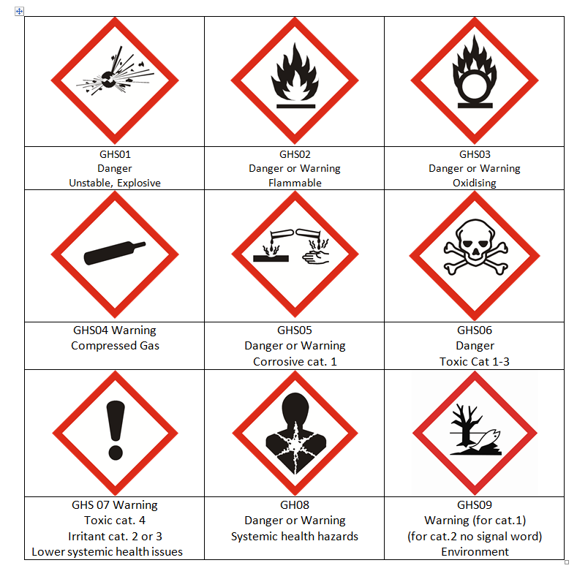
1 | Ammonia | Yes | Gas |  | ×
2 | Ammonia | Yes | Liquid |  | ×
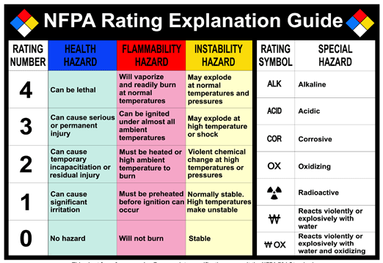
3 | Nitrogen | Yes | Gas |  |  |  | × |  |  |  |  |  | H280 Contains gas under pressure; may explode if heated. |  |  |  |  | P410 Protect from sunlight.
4 | Carbon dioxide | Yes | Gas |  |  |  | × |  |  |  |  |  | H280 Contains gas under pressure; may explode if heated. |  |  |  |  | P410 Protect from sunlight. | P403 Store in a well-ventilated place.
5 | Methane | Yes | Gas |  | × |  | × |  |  |  |  |  | H220 Extremely flammable gas. | H280 Contains gas under pressure; may explode if heated. |  |  |  | P210 Keep away from heat, hot surfaces, sparks, open flames and other ignition sources. No smoking. | P377 Leaking gas fire: Do not extinguish, unless leak can be stopped safely. | P381 Eliminate all ignition sources if safe to do so. | P410 Protect from sunlight. | P403 Store in a well-ventilated place.
6 | Ethane | Yes | Gas |  | × |  | × |  |  |  |  |  | H220 Extremely flammable gas. | H280 Contains gas under pressure; may explode if heated. |  |  |  | P210 Keep away from heat, hot surfaces, sparks, open flames and other ignition sources. No smoking. | P377 Leaking gas fire: Do not extinguish, unless leak can be stopped safely. | P381 Eliminate all ignition sources if safe to do so. | P410 Protect from sunlight. | P403 Store in a well-ventilated place.
7 | Ethane | Yes | Liquid |  | × |  |  |  |  |  |  |  | H224 Extremely flammable liquid and vapour. |  |  |  |  | P210 Keep away from heat, hot surfaces, sparks, open flames and other ignition sources. No smoking. | P377 Leaking gas fire: Do not extinguish, unless leak can be stopped safely. | P381 Eliminate all ignition sources if safe to do so.
8 | Propane | Yes | Gas |  | × |  | × |  |  |  |  |  | H220 Extremely flammable gas. | H280 Contains gas under pressure; may explode if heated. |  |  |  | P210 Keep away from heat, hot surfaces, sparks, open flames and other ignition sources. No smoking. | P377 Leaking gas fire: Do not extinguish, unless leak can be stopped safely. | P381 Eliminate all ignition sources if safe to do so. | P410 Protect from sunlight. | P403 Store in a well-ventilated place.
9 | Propane | Yes | Liquid |  | × |  |  |  |  |  |  |  | H224 Extremely flammable liquid and vapour. |  |  |  |  | P210 Keep away from heat, hot surfaces, sparks, open flames and other ignition sources. No smoking. | P377 Leaking gas fire: Do not extinguish, unless leak can be stopped safely. | P381 Eliminate all ignition sources if safe to do so.
10 | Butane | Yes | Gas |  | × |  | × |  |  |  |  |  | H220 Extremely flammable gas. | H280 Contains gas under pressure; may explode if heated. |  |  |  | P210 Keep away from heat, hot surfaces, sparks, open flames and other ignition sources. No smoking. | P377 Leaking gas fire: Do not extinguish, unless leak can be stopped safely. | P381 Eliminate all ignition sources if safe to do so. | P410 Protect from sunlight. | P403 Store in a well-ventilated place.
11 | Butane | Yes | Liquid | × | × |  |  |  |  |  |  |  | H224 Extremely flammable liquid and vapour. |  |  |  |  | P210 Keep away from heat, hot surfaces, sparks, open flames and other ignition sources. No smoking. | P377 Leaking gas fire: Do not extinguish, unless leak can be stopped safely. | P381 Eliminate all ignition sources if safe to do so.
12 | Hydrogen cynide | Yes | Gas | × | × |  |  |  | × | × | × | × | H220 Extremely flammable gas. | H300+H310+H330 Fatal if swallowed, in contact with skin or if inhaled. | H370 Causes damage to organs. |  |  | P210 Keep away from heat, hot surfaces, sparks, open flames and other ignition sources. No smoking. | P233 Keep container tightly closed. | P240+P241+P242+P243 Ground / bond container and receiving equipment. Use explosion-proof electrical / ventilating / lighting equipment. Use only non-sparking tools. Take precautionary measures against static discharge. | P260+P264+P270 Do not breathe mist / vapours / spray. Wash hands thoroughly after handling. Do not eat, drink or smoke when using this product. | P271 Use only outdoors or in a well-ventilated area. | P280 Wear protective gloves / protective clothing / eye protection / face protection. | P284 Wear respiratory protection. | P403+P233+P235 Store in a well-ventilated place. Keep container tightly closed. Keep cool. | P501 Dispose of contents/container in accordance with local/regional/national/international regulations.
13 | Hydrogen cynide | Yes | Liquid |  | × |  |  |  | × | × | × | × | H224 Extremely flammable liquid and vapour. | H300+H310+H330 Fatal if swallowed, in contact with skin or if inhaled. | H370 Causes damage to organs. |  |  | P210 Keep away from heat, hot surfaces, sparks, open flames and other ignition sources. No smoking. | P233 Keep container tightly closed. | P240+P241+P242+P243 Ground / bond container and receiving equipment. Use explosion-proof electrical / ventilating / lighting equipment. Use only non-sparking tools. Take precautionary measures against static discharge. | P260+P264+P270 Do not breathe mist / vapours / spray. Wash hands thoroughly after handling. Do not eat, drink or smoke when using this product. | P271 Use only outdoors or in a well-ventilated area. | P280 Wear protective gloves / protective clothing / eye protection / face protection. | P284 Wear respiratory protection. | P403+P233+P235 Store in a well-ventilated place. Keep container tightly closed. Keep cool. | P501 Dispose of contents/container in accordance with local/regional/national/international regulations.
14 | Sulfuric acid | Yes | Liquid |  |  | × |  | × |  | × |  |  | H290 May be corrosive to metals. | H303 May be harmful if swallowed. | H314 Causes severe skin burns and eye damage. |  |  | P234 Keep only in original container. | P264 Wash skin thoroughly after handling. | P280 Wear protective gloves/ protective clothing/ eye protection/ face protection. | P301 + P330 + P331 IF SWALLOWED: Rinse mouth. Do NOT induce vomiting. | P303 + P361 + P353 IF ON SKIN (or hair): Take off immediately all contaminated clothing. Rinse skin with water/ shower. | P304 + P340 + P310 IF INHALED: Remove person to fresh air and keep comfortable for breathing. Immediately call a POISON CENTER/ doctor. | P305 + P351 + P338 + P310 IF IN EYES: Rinse cautiously with water for several minutes. Remove contact lenses, if present and easy to do. Continue rinsing. Immediately call a POISON CENTER/ doctor. | P405+P406 Store locked up. Store in corrosive resistant container with a resistant inner liner. | P501 Dispose of contents/ container to an approved waste disposal plant.
15 | Water | Yes | Liquid
16 | Steam | Yes | Gas |  |  |  | × |  |  |  |  |  | H280 Contains gas under pressure; may explode if heated | H314 Causes severe skin burns and eye damage |  |  |  | P261 Avoid breathing vapors | P280 Wear eye protection, face protection, protective clothing, protective gloves | P304+P340 If inhaled: Remove person to fresh air and keep comfortable for breathing | P308+P313 If exposed or concerned: Get medical advice/attention
17 | Ammonium sulphate | Yes | Liquid |  |  |  |  |  |  | X |  | X | H402 Harmful to aquatic life | H302 harmful if swallowed |  |  |  | P273 Avoid release to the environment | P501 dispose of contents/container to hazaedous or special wastse collection point
18 | Oxygen | Yes | Gas |  |  | × | × |  |  |  |  |  | H270 May cause or intensify fire; oxidizer. | H280 Contains gas under pressure; may explode if heated. |  |  |  | P220 Keep/Store away from clothing/ combustible materials. | P244 Keep valves and fittings free from oil and grease. | P370 + P376 In case of fire: Stop leak if safe to do so. | P410 + P403 Protect from sunlight. Store in a well-ventilated place.
19 | Hydrogen | Yes | Gas |  | × |  | × |  |  |  |  |  | H220 Extremely flammable gas. | H280 Contains gas under pressure; may explode if heated. |  |  |  | P210 Keep away from heat, hot surfaces, sparks, open flames and other ignition sources. No smoking. | P377 Leaking gas fire: Do not extinguish, unless leak can be stopped safely. | P381 Eliminate all ignition sources if safe to do so. | P403 Store in a well-ventilated place.
20 | Carbon monoxide | Yes | Gas |  | × |  | × |  | × |  | × |  | H220 Extremely flammable gas. | H280 Contains gas under pressure; may explode if heated. | H331 Toxic if inhaled | H360 May damage fertility or the unborn child | H372 Causes damage to organs (Central nervous system) through prolonged or repeated exposure | P210 Keep away from heat, hot surfaces, sparks, open flames and other ignition sources. No smoking. | P260+P270 Do not breathe gas. Do not eat, drink or smoke when using this product. | P264 Wash exposed skin thoroughly after handling | P271+P403+P405 Use and store only outdoors or in a well-ventilated place. Store locked up. | P280 Wear protective clothing, protective gloves, eye protection, face protection. | P377 LEAKING GAS FIRE: Do not extinguish, unless leak can be stopped safely. | P381 Eliminate all ignition sources if safe to do so. | P381 Eliminate all ignition sources if safe to do so. | P501 Dispose of contents/container in accordance with container Supplier/owner instructions
21 | hydrogen peroxide | Yes | liquid |  |  | x |  | x |  | x |  |  | H318 Causes serious eye damage | H302 Harmful if swallowed | H272 may intensify fire,oxidizer |  |  | P264 Wash face, hands and any exposed skin thoroughly | P280 Wear protective gloves/ protective clothing/ eye protection/ face protection | P210 Keep away from heat/sparks/open flames/hot surfaces. - No smoking | P220 - Keep/Store away from clothing/ flammable materials /combustible materials | P221 - Take any precaution to avoid mixing with combustibles - flammables
22
23
24
25
26
27
28
29
30
31
32

HAZID Worksheet(1)
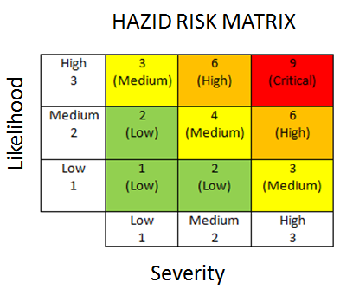
 | PROJECT: | Hydrogen Cyanide and AMS Plant Replacement- Andrussow process | HAZID DATE: | 26/04/2022
 | PFD DRAWING No. | 1 | PROJECT GROUP No.: PARTICIPANTS: | 6. ZYC YAG YKW JJS HYC LSW JXL |  |  |  |  |  |  |  |  |  | 1 | OPEN
 | FACILITY SECTION No.: | 1 | PARTICIPANTS SIGNATURES: | ZYC YAG YKW JJS HYC LSW JXL |  |  |  |  |  |  |  |  |  | 2 | CLOSED
 | FACILITY SECTION DESCRIPTION | Pre-treatment of natural gas | REVISION: | 5 |  |  |  |  |  |  |  |  |  | 3 | N/A

 |  |  |  |  | Hazard Consequence Ranking Assuming Controls in Place |  |  | Action/Consideration in Design Process to Mitigate Hazard Consequences
No. | Specific Hazard From Hazard Inventory | Potential Mechanism(s) for Hazard Exposure | Potential Hazard Consequences | Proposed Mitigation Controls In Place | Likelihood (Dropdown) | Severity (Dropdown) | Risk Rating | Unique Action No. | Description of Actions/Consideration | Action Assigned To: | Action Required Completion Date | Issue Status (Open/Closed) | Action Outcome
1 | Flammable Materials | Leakage of natural gas from pipelines under high pressure | Fire and explosion | Appropriate design codes for high pressure natural gas pipe line | 1 | 3 | 3
2 | Toxic Substances | Leakage of ammonia from pipelines | Personnel injury or fatality | Appropriate design codes for ammonia liquid and gas pipe line | 1 | 3 | 3
3 | Gases under High Pressure | Natural gas pipeline rupture | Fire and explosion | Appropriate design codes for high pressure natural gas pipeline | 1 | 3 | 3
4 | Hot Fluids | High temperature of preheating furnace surface | Personnel burning injury | Appropriate design codes for high temp surface insulation | 1 | 2 | 2
5 | Cryogenic Fluids | Low temperature natural gas after expansion causes pipeline to become brittle and unable to adpat to thermal expansion | Fire and explosion | Appropriate design codes for low temperature pipeline | 3 | 3 | 9 | 1.1 | Review design codes & requirements for fittings and flanges to accommodate thermal expansion and propose solutions | H. Y. Chen | 21st April, 2022 | CLOSED
6 | Explosive Substances | Leakage of natural gas from pipelines forming explosive mixture with air | Fire and explosion | Appropriate design codes for natural gas pipe lines. | 1 | 3 | 3
7 | High Speed Rotational Equipment | Mechanical fatigue of flanges caused by vibration of the turbo expander | Fire and explosion | Appropriate design codes for flanges under constant vibration | 1 | 3 | 3
8 | Equipment at High Temperature | High temperature of preheating furnace surface | Personnel burning injury | Appropriate design codes for high temp surface insulation | 1 | 2 | 2
9 | High Temperature | High temperature of preheating furnace surface | Personnel burning injury | Appropriate design codes for high temp surface insulation | 1 | 2 | 2
10 | Low Temperature | Low temperature of flash column and pipelines out of it | Personnel freezing injury | Appropriate design codes for low temp surface insulation | 1 | 1 | 1
11 | Natural Hazards | Hurricane and flood | Damage to facility leading to gas leakage and explosion | Appropriate design codes for plant layout, spacing. | 1 | 3 | 3 | 1.2 | Review appropriate design codes to mitigate the risk of flooding and hurricane, and give suggestions about plant layout design | Y. K. Wang | 21st April, 2022 | CLOSED
12 | Maintenance | Maintenance procedures not correctly followed due to human error | Personnel injury or fatality | Safety interlocks appropriately designd to eliminate human error in following procedures while doing maintenance | 1 | 3 | 3
13 | Noise | Large noise may be produced when the pumps and turbines are working. | Personnel hearing loss | Appropriate design codes for plant layout and safety training | 1 | 2 | 2
14
15
16
17
18
19
24
25
26
27
28
29
30
31
32
33
34
35
36
37
38
39
40
41
42
43
44
45
46
47
48
49
50
51
52
53
54

